Coaching Plan
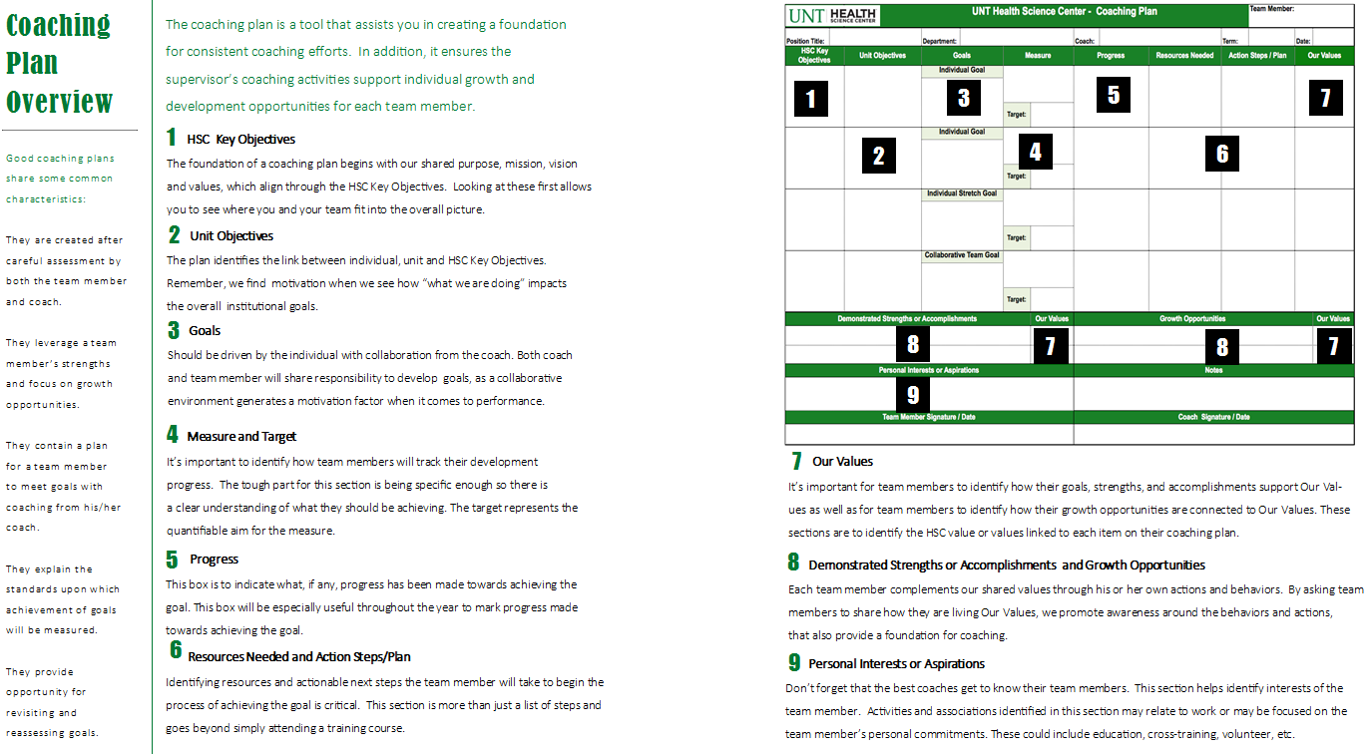
 | UNT Health Science Center - Coaching Plan |  |  |  |  |  |  |  | Team Member:

Position Title: |  | Department: |  |  | Coach: |  |  | Term: |  | Date:
HSC Key Objectives | Unit Objectives | Goals | Measure |  | Progress |  | Resources Needed | Action Steps / Plan |  | Our Values
 |  | Individual Goal

 |  |  | Target:

 |  | Individual Goal

 |  |  | Target:

 |  | Individual Stretch Goal

 |  |  | Target:

 |  | Collaborative Team Goal

 |  |  | Target:

Demonstrated Strengths or Accomplishments |  |  |  | Our Values | Growth Opportunities |  |  |  |  |  | Our Values

Personal Interests or Aspirations |  |  |  |  | Notes

Team Member Signature / Date |  |  |  |  | Coach Signature / Date

UNTHSC Coaching Plan Version 4.0, 2016.11.16 |  |  |  |  |  | http://www.unthsc.edu/coaching

